Compare Annual Visitation
Compare Annual Visitation: 1980 to 2023

This report will not correctly export to CSV. Please export to Excel, Word, or PDF if you wish to save this report.

 | 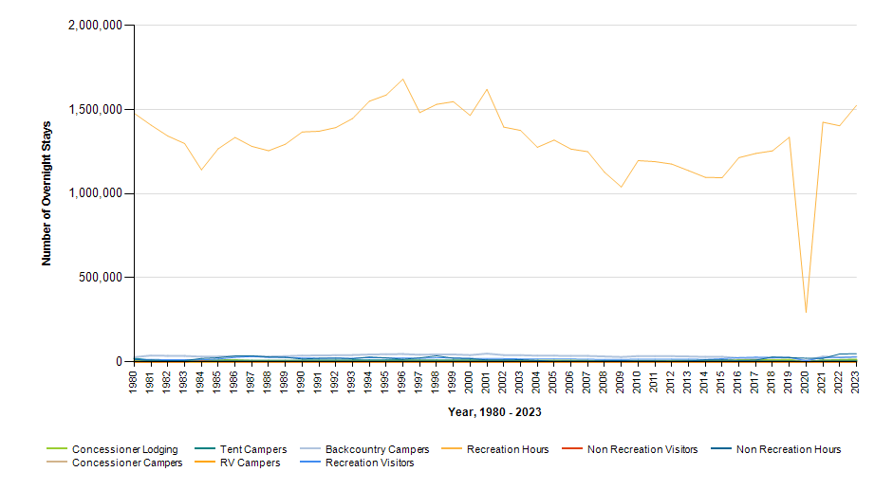

 |  | Year | Concessioner Lodging | Concessioner Campers | Tent Campers | RV Campers | Backcountry Campers | Recreation Visitors | Recreation Visitor Hours | Non Recreation Visitors | Non Recreation Visitor Hours
 |  | 2023 | 13,699 | 445 | 6,166 | 0 | 30,072 | 28,965 | 1,524,902 | 94 | 48,484
 |  | 2022 | 11,119 | 217 | 6,201 | 0 | 27,619 | 25,454 | 1,404,008 | 122 | 46,928
 |  | 2021 | 8,249 | 258 | 6,450 | 0 | 32,128 | 25,844 | 1,424,902 | 88 | 20,492
 |  | 2020 | 0 | 0 | 2,086 | 0 | 8,024 | 6,493 | 294,687 | 150 | 22,128
 |  | 2019 | 12,308 | 172 | 4,902 | 0 | 26,899 | 26,410 | 1,335,648 | 291 | 25,268
 |  | 2018 | 9,562 | 218 | 5,173 | 0 | 24,758 | 25,798 | 1,254,990 | 158 | 28,492
 |  | 2017 | 11,372 | 185 | 3,850 | 0 | 21,693 | 28,196 | 1,239,498 | 133 | 10,348
 |  | 2016 | 10,128 | 171 | 3,160 | 0 | 22,604 | 24,966 | 1,214,443 | 73 | 8,184
 |  | 2015 | 7,072 | 292 | 5,133 | 0 | 30,072 | 18,684 | 1,094,905 | 142 | 12,352
 |  | 2014 | 7,331 | 346 | 5,758 | 0 | 29,662 | 14,560 | 1,097,272 | 166 | 11,716
 |  | 2013 | 6,527 | 0 | 5,289 | 0 | 32,343 | 16,274 | 1,137,345 | 109 | 4,968
 |  | 2012 | 6,225 | 322 | 5,463 | 0 | 33,808 | 16,663 | 1,176,138 | 41 | 1,724
 |  | 2011 | 6,138 | 365 | 5,130 | 0 | 34,221 | 15,892 | 1,190,577 | 144 | 3,940
 |  | 2010 | 6,359 | 361 | 5,502 | 0 | 34,116 | 15,793 | 1,196,810 | 100 | 3,840
 |  | 2009 | 5,948 | 327 | 4,551 | 0 | 28,864 | 14,653 | 1,040,114 | 181 | 8,384
 |  | 2008 | 6,144 | 315 | 5,096 | 0 | 32,289 | 14,038 | 1,127,451 | 183 | 6,128
 |  | 2007 | 6,974 | 485 | 5,135 | 0 | 35,400 | 15,973 | 1,249,925 | 66 | 2,692
 |  | 2006 | 7,769 | 384 | 5,230 | 0 | 35,439 | 17,070 | 1,265,521 | 110 | 4,112
 |  | 2005 | 7,996 | 525 | 4,928 | 0 | 36,889 | 17,398 | 1,318,880 | 103 | 1,580
 |  | 2004 | 6,699 | 542 | 4,887 | 0 | 36,706 | 17,276 | 1,275,960 | 114 | 9,028
 |  | 2003 | 6,375 | 662 | 5,545 | 0 | 40,069 | 17,800 | 1,376,382 | 171 | 13,256
 |  | 2002 | 6,682 | 506 | 5,720 | 0 | 40,389 | 19,463 | 1,395,963 | 141 | 10,960
 |  | 2001 | 6,576 | 535 | 6,731 | 0 | 49,077 | 19,431 | 1,620,328 | 133 | 11,492
 |  | 2000 | 7,730 | 591 | 7,200 | 0 | 40,157 | 21,096 | 1,465,644 | 146 | 19,488
 |  | 1999 | 7,642 | 664 | 7,096 | 0 | 44,028 | 23,493 | 1,547,188 | 167 | 21,796
 |  | 1998 | 6,722 | 840 | 7,748 | 0 | 44,426 | 23,932 | 1,531,190 | 270 | 35,792
 |  | 1997 | 7,513 | 869 | 6,882 | 0 | 42,112 | 21,381 | 1,482,542 | 122 | 23,716
 |  | 1996 | 8,273 | 1,432 | 8,343 | 0 | 46,625 | 23,445 | 1,681,527 | 135 | 15,500
 |  | 1995 | 5,201 | 1,397 | 8,178 | 0 | 45,564 | 23,470 | 1,586,713 | 104 | 23,736
 |  | 1994 | 4,994 | 1,628 | 8,665 | 0 | 43,673 | 24,843 | 1,550,100 | 198 | 28,888
 |  | 1993 | 5,689 | 1,616 | 8,058 | 0 | 40,690 | 21,983 | 1,447,048 | 133 | 18,856
 |  | 1992 | 5,964 | 1,456 | 7,397 | 0 | 39,663 | 22,728 | 1,393,393 | 196 | 22,084
 |  | 1991 | 5,850 | 1,852 | 6,902 | 0 | 38,148 | 22,004 | 1,371,502 | 168 | 21,040
 |  | 1990 | 5,822 | 1,537 | 6,981 | 0 | 37,489 | 23,495 | 1,367,041 | 124 | 16,952
 |  | 1989 | 6,562 | 1,434 | 6,446 | 0 | 33,977 | 27,133 | 1,294,436 | 315 | 26,992
 |  | 1988 | 6,690 | 2,368 | 5,932 | 0 | 31,807 | 26,593 | 1,255,557 | 59 | 29,280
 |  | 1987 | 5,993 | 1,243 | 6,292 | 0 | 33,251 | 31,760 | 1,281,508 | 198 | 35,976
 |  | 1986 | 10,388 | 1,745 | 5,918 | 0 | 33,228 | 26,122 | 1,334,580 | 76 | 35,208
 |  | 1985 | 9,319 | 1,415 | 6,433 | 0 | 32,262 | 16,775 | 1,267,661 | 1,061 | 24,495
 |  | 1984 | 7,894 | 1,704 | 6,118 | 0 | 30,864 | 11,814 | 1,141,957 | 4,830 | 20,349
 |  | 1983 | 8,294 | 1,219 | 6,665 | 0 | 35,221 | 12,928 | 1,298,556 | 45 | 7,788
 |  | 1982 | 9,660 | 1,537 | 5,985 | 0 | 35,929 | 13,238 | 1,342,939 | 12 | 6,656
 |  | 1981 | 9,564 | 505 | 6,870 | 0 | 37,853 | 14,558 | 1,407,562 | 6 | 10,332
 |  | 1980 | 8,970 | 282 | 19,740 | 0 | 28,043 | 14,977 | 1,477,928 | 19 | 11,560

